tools_frameworks
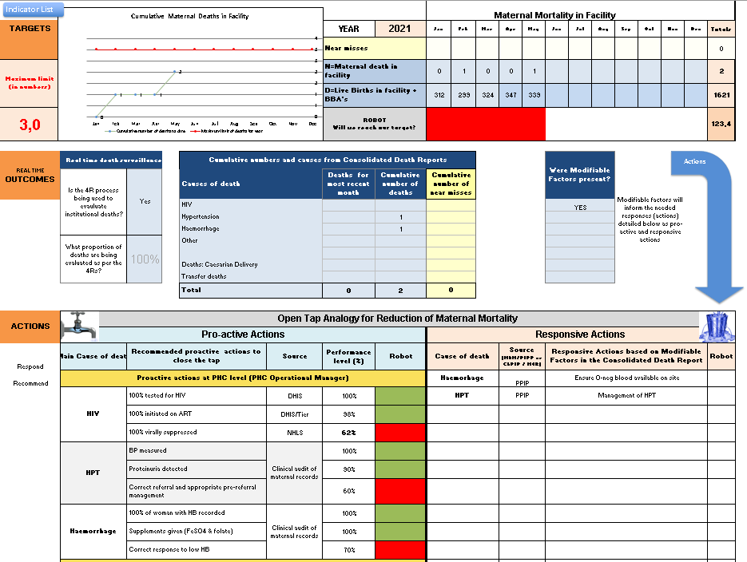
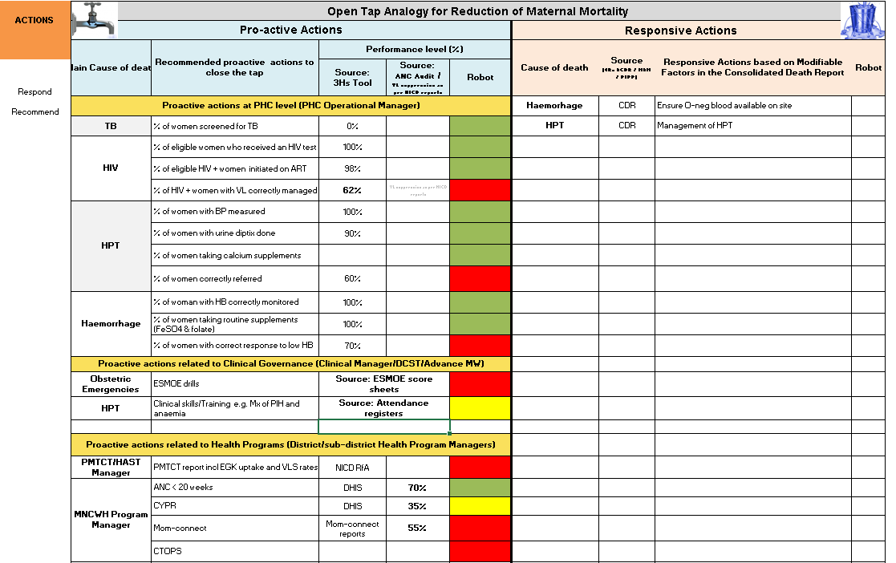
Tools/frameworks

Open tap analogy

Thrive
Survive
Prevalence
Treatment = Primary, Secondary and Tertiary prevention
Prevention = Turn off the Tap
Incidence = Flow out of Tap
Bucket = Total Population
Mortality = Flow out of bucket
Plug the hole in the bucket

Real-time mortality review and response
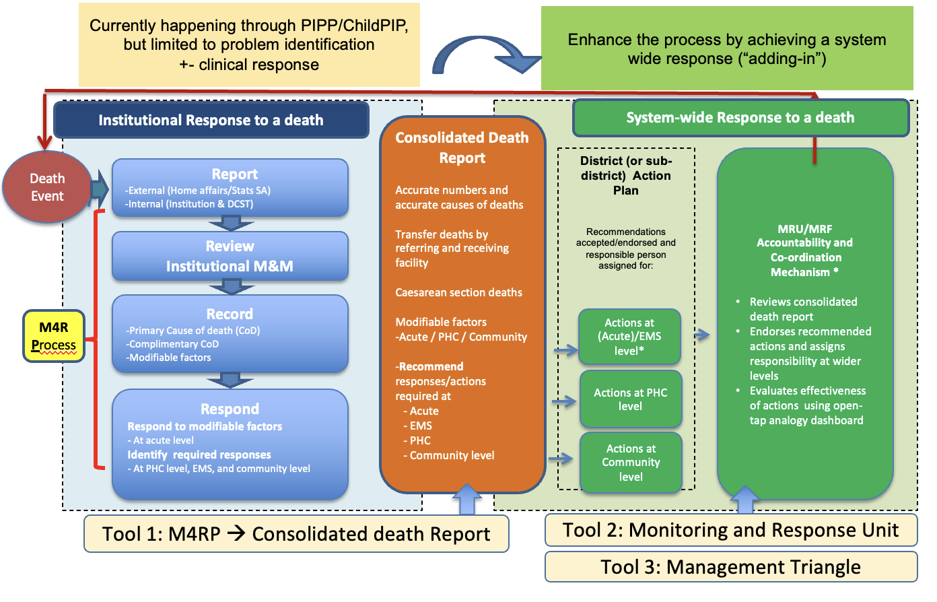

Open tap analogy dash boards, example of maternal deaths

